Beach
Style | UPC | Description | Casepack | Item Type | Category | Real on Hand | Images | Images | Images
JF60308WMFL | 32281603083 | HARRY POTTER BEACH TOWEL | 6 | BEACH TOWEL | BEACH | 6042 | 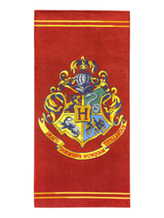 | 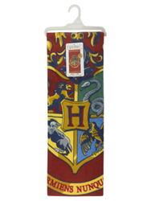 | 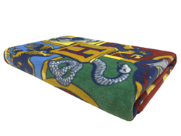
JF62380WMFL | 32281623807 | SW MANDALORIAN BEACH TOWELS 2P | 4 | BEACH TOWEL | BEACH | 204 | 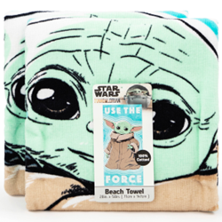 | 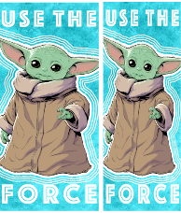 | 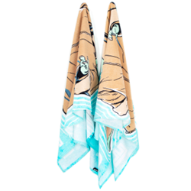
JF62381WMFL | 32281623814 | FROZEN 2 BEACH TOWELS 2PK | 4 | BEACH TOWEL | BEACH | 164 | 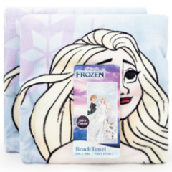 | 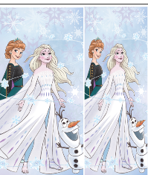 | 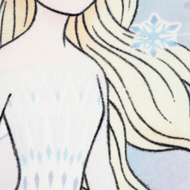
JF62383WMFL | 32281623838 | LILO & STITCH BEACH TOWELS 2PK | 4 | BEACH TOWEL | BEACH | 216 | 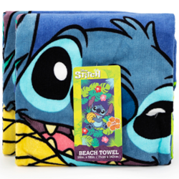 | 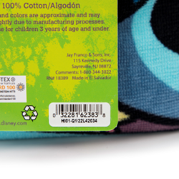 | 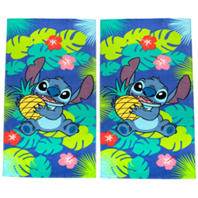
JF62399WMFL | 32281623999 | AMONG US BEACH TOWEL 28X58 | 6 | BEACH TOWEL | BEACH | 7374 | 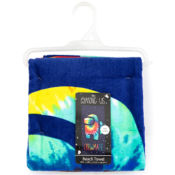 | 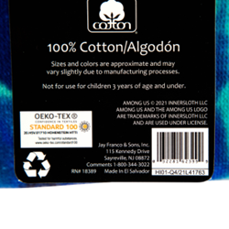 | 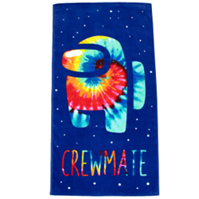
JF90937FL | 32281909376 | MEDALLION PINK BEACH THROWBEE | 12 | BEACH THROWBEE | BEACH | 108 | 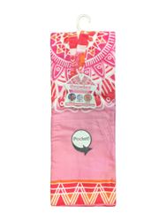
JF63364WMFL | 32281633646 | TMNT BEACH TOWEL CITY BOYS | 24 | BEACH TOWEL | BEACH | 72 | 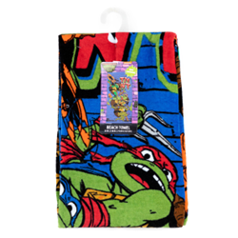 |  | 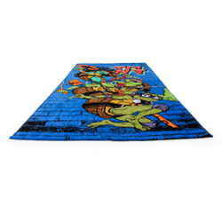
JF63365WMFL | 32281633653 | WISH BEACH TOWEL SHINE SO BRIG | 24 | BEACH TOWEL | BEACH | 144 | 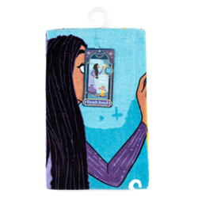 | 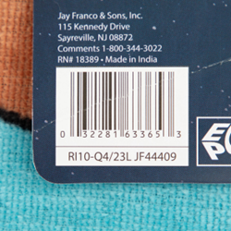 | 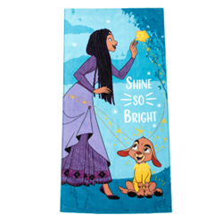
JF63368WMFL | 32281633684 | MARVEL BEACH TOWEL SUPER TEAM | 24 | BEACH TOWEL | BEACH | 72 | 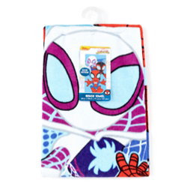 |  | 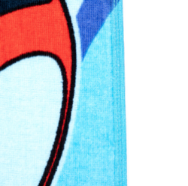
JF63369WMFL | 32281633691 | AFRO UNICORN BEACH TOWEL MADE | 24 | BEACH TOWEL | BEACH | 48 | 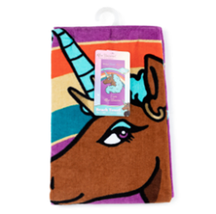 | 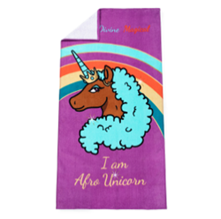 | 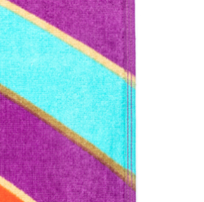
JF63371WMFL | 32281633714 | LITTLE MERMAID MOVIE BEACH TOW | 24 | BEACH TOWEL | BEACH | 72 | 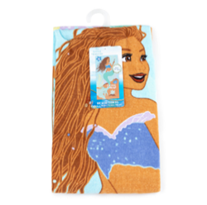
JF42424EPCD | 32281424244 | LAY LAY BEACH TOWEL 28X58 LAY | 12 | BEACH TOWEL |  | 612
JF62397WMFL | 32281623975 | THAT GIRL LAY LAY BEACH TOWEL | 6 | BEACH TOWEL |  | 7536 | 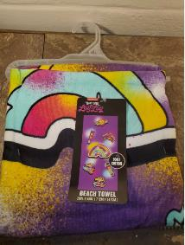
 |  |  |  |  |  | 22664

